Robot
DIO | Function | USB |  | CAN |  |  | RS-232 | Ethernet
0 | Drive Encoder - Right A | 0 | Left Joystick | ID | Function | XDP |  | Raspberry Pi 2 - Model B - Vision Processing
1 | Drive Encoder - Right B | 1 | Right Joystick | 1 | Lift Motor w/ Magnetic Encoder | IMU - Analog Devices ADIS1448
2 | Drive Encoder - Left A | Other | Control Board | 2 | Arm Motor
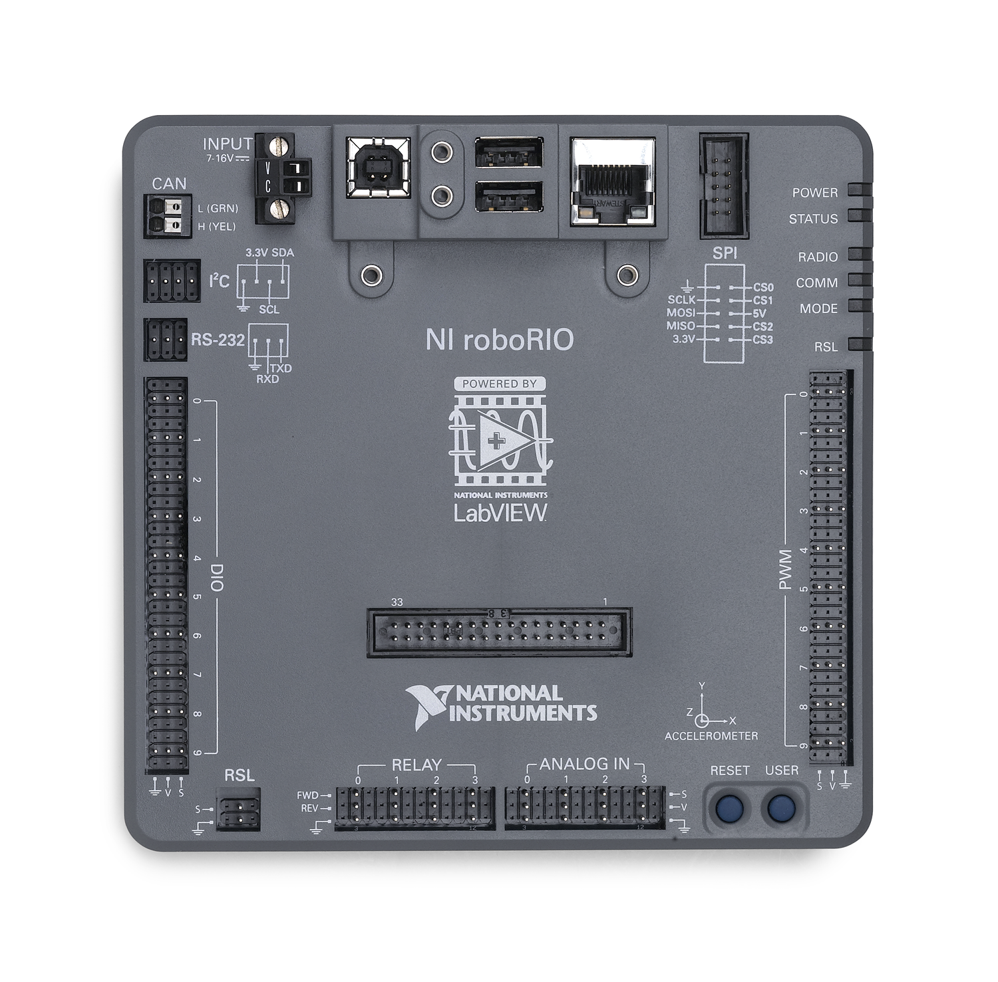
3 | Drive Encoder - Left B
4 | Lock Engaged
5 | Matbotix Distance Sensor
6
7
8
9

PWM | Function | PCM | Function
0 | Left Drive | 0 | Shooter - Extend / Shoot
1 | Right Drive | 1 | Arm Latch - Retract / Unlock
2 | Intake Motor | 2 | Claw - Retract / Close
3 | Lift Extend Motor | 3 | Claw - Extend / Open
4 |  | 4
5 |  | 5
6 |  | 6
7 |  | 7
8 |  | Pressure Sensor | Yes
9 |  | Compressor | Yes - Wire to 20A Breaker

Relay | Function
0 |  | Pnuematic Solenoid Connector
1 |  | Pin 1 | Shooter Extend / Shoot +
2 |  | Pin 2 | Arm Retract / Unlock +
3 |  | Pin 3 | Claw Retract / Close -
 |  | Pin 4 | Claw Extend / Open -
Analog | Function | Pin 5
0 | Pressure Sensor | Pin 6 | Shooter Extend / Shoot -
1 | Arm Position | Pin 7 | Arm Retract / Unlock -
2 |  | Pin 8 | Claw Retract / Close +
3 |  | Pin 9 | Claw Extend / Open +

Driver Station
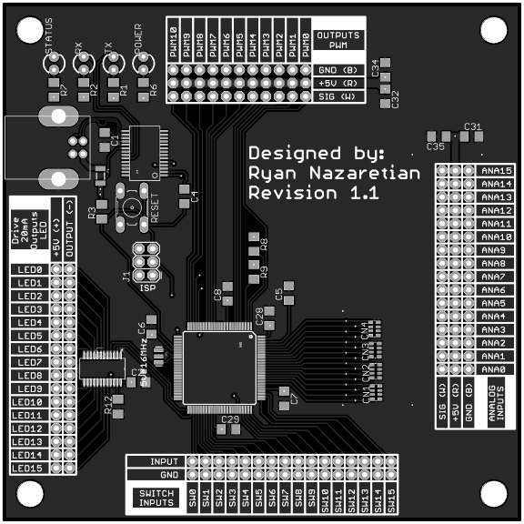
LED |  | Analog
0 | Fire Ready | 0 | Autonomous Selector
1 | Arm Pos - Shoot Batter | 1 | Manual Arm Position
2 | Arm Pos - Shooter Close | 2
3 | Arm Pos - Shoot Far | 3
4 | Arm Pos - Human Player Load | 4
5 | Arm Pos - Low Bar / Goal | 5
6 | Arm Pos - Manual | 6
7 |  | 7
8 |  | 8
9 |  | 9
10 |  | 10
11 |  | 11
12 |  | 12
13 |  | 13
14 |  | 14
15 |  | 15

Switch |  | PWM
0 | Fire | 0
1 | Arm Pos - Shoot Batter | 1
2 | Arm Pos - Shooter Close | 2
3 | Arm Pos - Shoot Far | 3
4 | Arm Pos - Human Player Load | 4
5 | Arm Pos - Low Bar / Goal | 5
6 | Arm Pos - Manual | 6
7 | Intake - In | 7
8 | Intake - Out | 8
9 | Lift - Extend | 9
10 | Lift - Retract | 10
11 | Disable Slew Rate
12
13
14
15

